Main
Powered By
e

IN ORDER TO RUN THIS FILE You must enable macros in Excel from the Message Bar

If you open an Excel document that contains macros, you'll see the yellow Message Bar with a shield icon and the Enable Content button.

If you are sure, the macros are from a trustworthy source, just press the Enable Content button on the bar.
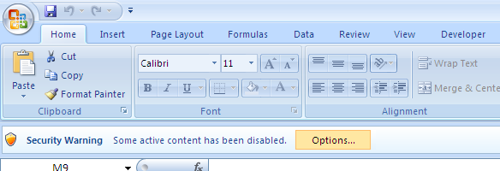

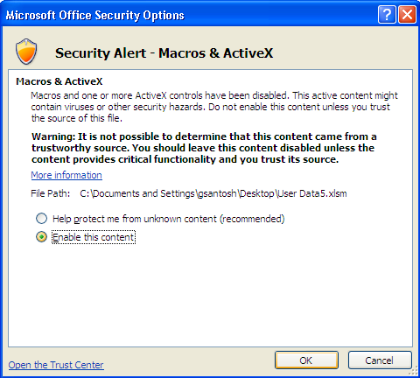

The file will be opened as a trusted document and the security warning will disappear.

Overview
Upload
e-Mail
 |  | To: | pooja.c@digitalinsightresearch.in;surendra.e@digitalinsightresearch.in
 |  | Cc: | satish.patlolla@digitalinsightresearch.in


By
Emp Name : Gajendra Santosh
Emp ID : 81597

 | Working Minutes |  | 0 |  |  | Efficiency |  | 0%

 | Efficiency
 | 2.50
 | 8.13
 | 1.88
 | 11.46
 | 13.33
 | 25.63
 | 33.96
 | 2.50
 | 36.88
 | 8.33
 | 16.67
 | 16.67
 | 61.46
 | 37.71
 | 12.71
 | 8.96
 | 6.88
 | 39.58
 | 9.58
 | 17.29
 | 8.33
 | 28.54
 | 49.79
 | 0.00
 | 36.25
 | 33.96
 | 21.67
 | 62.50
 | 21.46
 | 29.17
 | 9.58
 | 27.50
 | 48.33
 | 3.75
 | 45.00
 | 20.83
 | 41.88
 | 63.75
 | 22.29
 | 0.63
 | 50.00
 | 41.67
 | 41.67
 | 1.25
 | 3.75
 | 30.00
 | 23.96
 | 24.79
 | 3.13
 | 30.00
...

Production Status |  |  |  | Today | Week | Month | Quarter | Half Year | This Year
Timeline |  |  |  | 16-Jul-18 | This Week | 2018-07-16 | Q3 | H2 | 2018-07-16
News Review (Total) |  |  |  | 0 | 0 | 0 | 0 | 0 | 0
Spider |  |  |  | 0 | 0 | 0 | 0 | 0 | 0
Spotlight |  |  |  | 0 | 0 | 0 | 0 | 0 | 0
Tender |  |  |  | 0 | 0 | 0 | 0 | 0 | 0
Daily CIC News |  |  |  | 0 | 0 | 0 | 0 | 0 | 0
WCN |  |  |  | 0 | 0 | 0 | 0 | 0 | 0
Projects (Total) |  |  |  | 0 | 0 | 0 | 0 | 0 | 0
Spider Update |  |  |  | 0 | 0 | 0 | 0 | 0 | 0
Spotlight Update |  |  |  | 0 | 0 | 0 | 0 | 0 | 0
Daily CIC News Update |  |  |  | 0 | 0 | 0 | 0 | 0 | 0
Tender Update |  |  |  | 0 | 0 | 0 | 0 | 0 | 0
WCN Update |  |  |  | 0 | 0 | 0 | 0 | 0 | 0
Next Review Date Update |  |  |  | 0 | 0 | 0 | 0 | 0 | 0
CIC/Demo Lead |  |  |  | 0 | 0 | 0 | 0 | 0 | 0
New Project Leads |  |  |  | 0 | 0 | 0 | 0 | 0 | 0
Priority Update |  |  |  | 0 | 0 | 0 | 0 | 0 | 0
Manual Update |  |  |  | 0 | 0 | 0 | 0 | 0 | 0
Manual Listing |  |  |  | 0 | 0 | 0 | 0 | 0 | 0
Others |  |  |  | 0 | 0 | 0 | 0 | 0 | 0
Contacts (Total) |  |  |  | 0 | 0 | 0 | 0 | 0 | 0
No of Contacts Tagged to Project |  |  |  | 0 | 0 | 0 | 0 | 0 | 0
No of Unique Contacts added |  |  |  | 0 | 0 | 0 | 0 | 0 | 0
Unique Contact Validated |  |  |  | 0 | 0 | 0 | 0 | 0 | 0

 |  |  |  | Regards
 | Gajendra Santosh

Daily Status
Emp Name : Gajendra Santosh
Emp ID : 81597

Date | Emp ID | Emp Name | Spider | Spotlight | Tender | Daily CIC News | WCN | Date | Emp ID | Emp Name | Project ID | Project Name | Project Type | Project Activity | No of Contacts Tagged to Project | No of Unique Contacts added | Unique Contact Validated | Assigned to | Time Spent on Other Activity (min) | Comment 1 | Comment 2

News Data
Emp Name : Gajendra Santosh
Emp ID : 81597

Date | Emp ID | Emp Name | Type of Headline | Headline | Link | Action | Project Id | Relevant Comment | Comment

Leaves
Emp Name : Gajendra Santosh
Emp ID : 81597
 |  | Leaves Tracker

Date | Emp ID | Emp Name | Leave Type | Comment

